Script
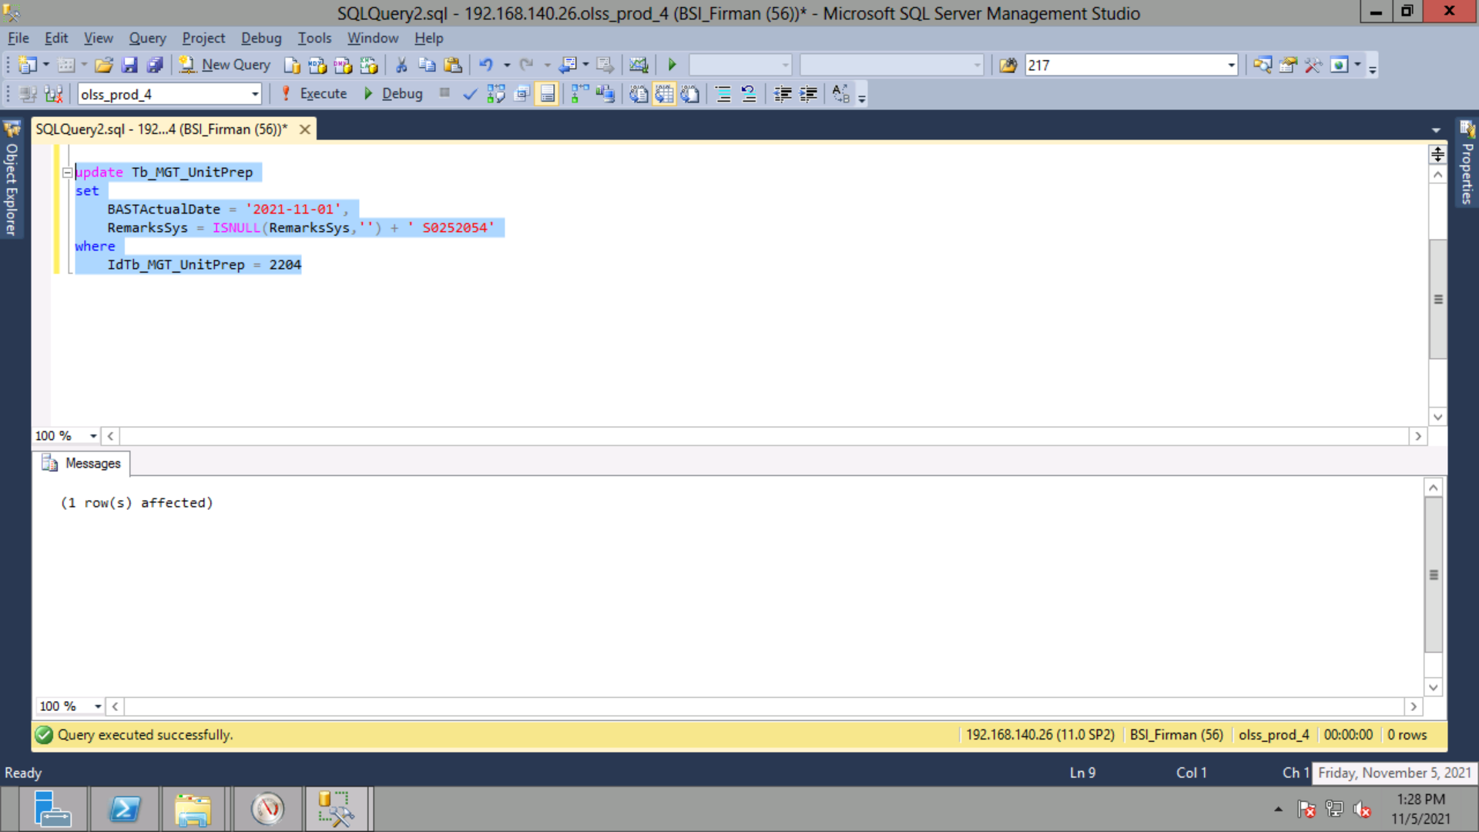
update Tb_MGT_UnitPrep
set
 | BASTActualDate = '2021-11-01',
 | RemarksSys = ISNULL(RemarksSys,'') + ' S0252054'
where
 | IdTb_MGT_UnitPrep = 2204

Screenshot
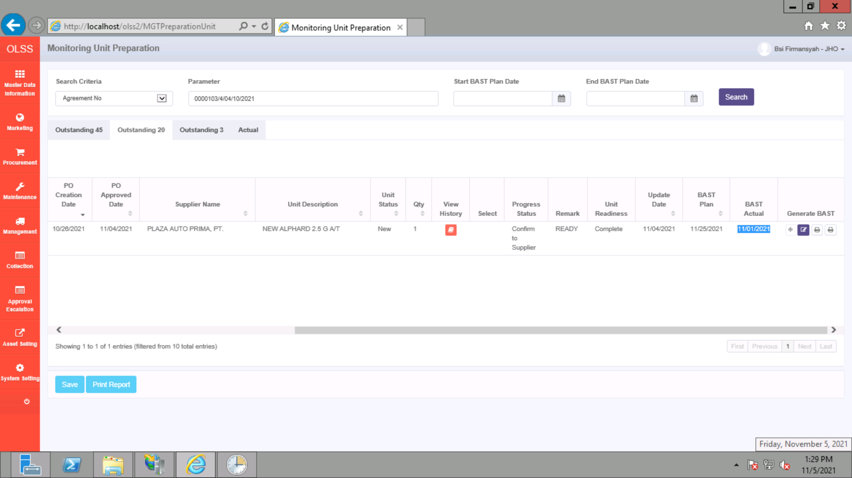
BEFORE


AFTER

